Sheet1
Flow of data, information, knowledge, etc
Access

Application

Question answering
query on knowledge
query on multiple data sources
Semantic search
text analysis
Recommendation
explorative analysis

One question one answer
Info card

visualization
Interactive questino answering
Machine reading

Robots sitting college entry exams

Semantic Search
i

Knowledge Representation
Simple Query
Semantic Model

Resources (Data)

triples

records
Analysitical and/or explorative query

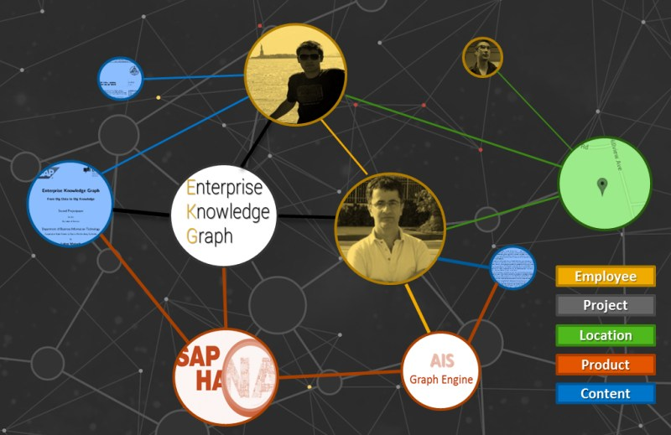
Microformats
Microdata

Data to be analysed

Documents

Answer to question
Question
Webpages

Text documents

SPARQL query results
Hidden Subclass/superclass relation between concepts
linking entity mention in data to entity ID in KG
Hidden communities
Hidden relations between entities
Hidden attribute values of entity

Validity of facts
Document Representation
 | i
Insights based on Social Network Analysis
Hidden types of entity
Hidden attributes/classes of entities

Hidden rules
Similarity between entities
consistancy of data/ conflication in data

Semantic Search Roadmap
Knowledge Query
Ontology Based Data Access

Ontology result
Knowledge Mining
Large scale semantic search engine
SPARQL Endpoint
Ontology query
Knowledge Inference
RDF triple store
Semantic search engine

ABox
content mining
Link prediction
TBox
re-written query
transformed result
satifiability
classification
materialization
faceted browsing

structure minging
representation learning
SQL query
SQL result

result ranking
query interpretation

online

structured query support
hybrid query support
distributed query processing

storage & index
index update
data integration
offline

Data storage
Knowledge Storage

Native RDF storage
Non-native RDF storage
Relational database
NoSQL database
Phase 2
Phase 3
Phase 1
Relational database

Key-value database
triple store

NoSQL database
Key-value database
Document database

Graph database
Document database

Graph database

Knowledge Fusion
Entity Aligment
Concept Alignment
Entity Linking
Identification of entity mentions
Generation of candidate entities
Disambuiguation of candidate entities
Text data
Named Entity Recognition
Dictionary Matching
Suface form generationi and rewriting
Search Engine
Entity Reference Table
Graph computation
Generative Probabilistic Model
Topic Model
Deep Learning
Entity Mention --> Entity in Knowledge Base

Pre-processing
Evaluation
Output
Blocking
Record Linkage

Load Balance

Knowledge Acquisation

Knowledge Extraction

Manually Creation


virtual graph

Knowledge Graph Storage Types
Open Knowledge

Ontology backed Knowledge

Native
Non-native

From Semi-structured Data
From Unstructrued Data
From other media

Ontology mapping
generic extraction
meta information extraction
Ontology based extraction
entity extraction
OCR
semantic segmentation
RDBMS
NoSQL
In-memory
On disk
alignment with target ontology
instance identification
Extraction jobs
entity linking
speech recognization
relation extraction
Structured Data to Knowledge Mapping
label
category
image
face recognization
table entity linking
redirect
disambuguation
event extraction
image captionning
person re-idenfication
Schema-based
direct mapping
logical graph mapping
proprietaryETL (Extract, Transform, Load)
abstract
Geo
Pagelink
behaviour recognization
Schema free
Key-value
Column family
Document store
Graph database
generic infobox
mapping-based infobox
Preprocessing

video
-pedia
web tables
image
audio
Relational Database
text
Verticle partitioning
Hierachical Property Table
Property Table
Triple Table

basic architecture of knowledge base question answering system

answer

answer retrieval and evaluation

query constructon

scoring

data matching
index

question in natural language
question analysis
linguistic tools and resources

